IT Captive Details
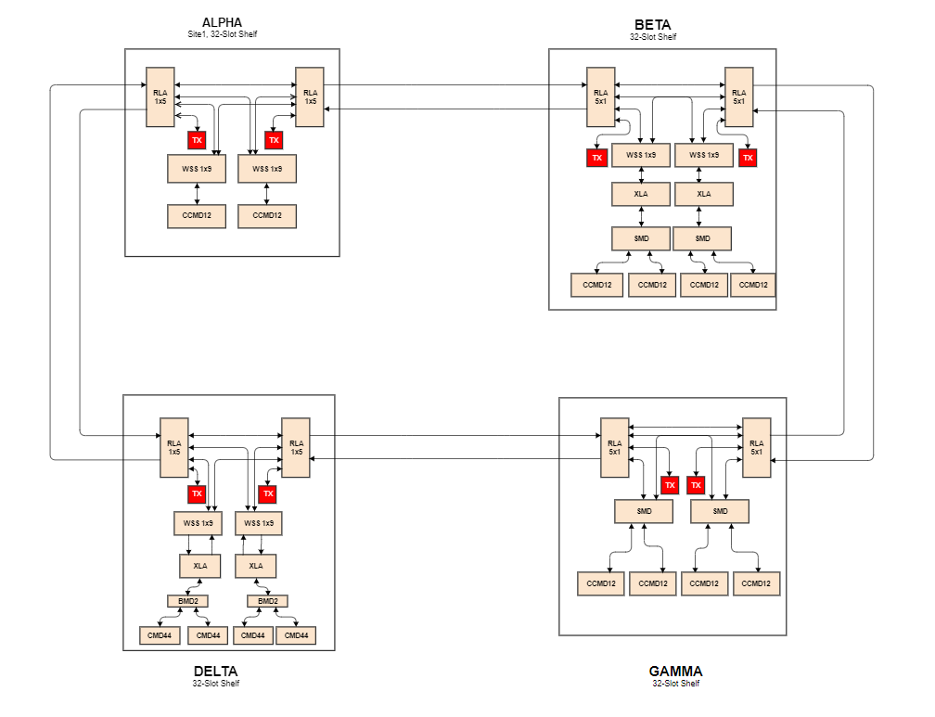
IT Captive :

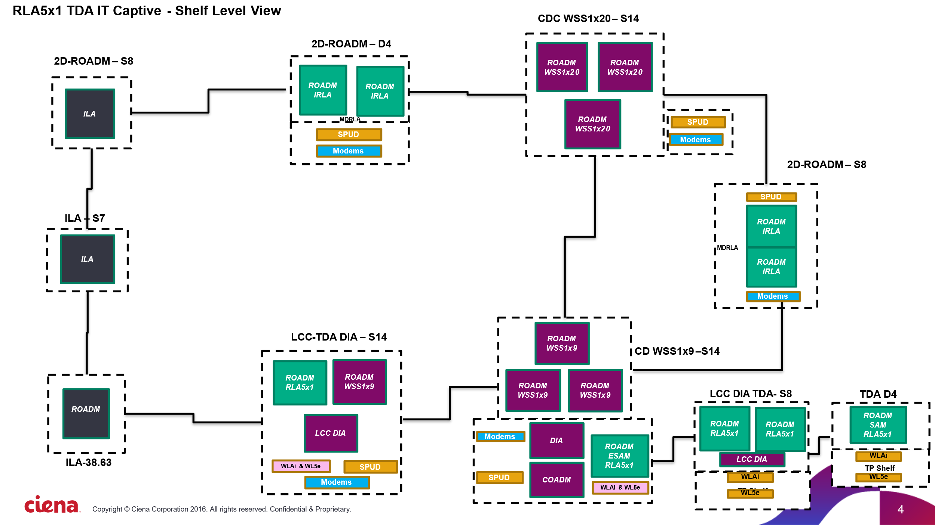
3
3
3
19
17
11
15
13

 | RLA5x1 TDA IT Captive - Photonic View

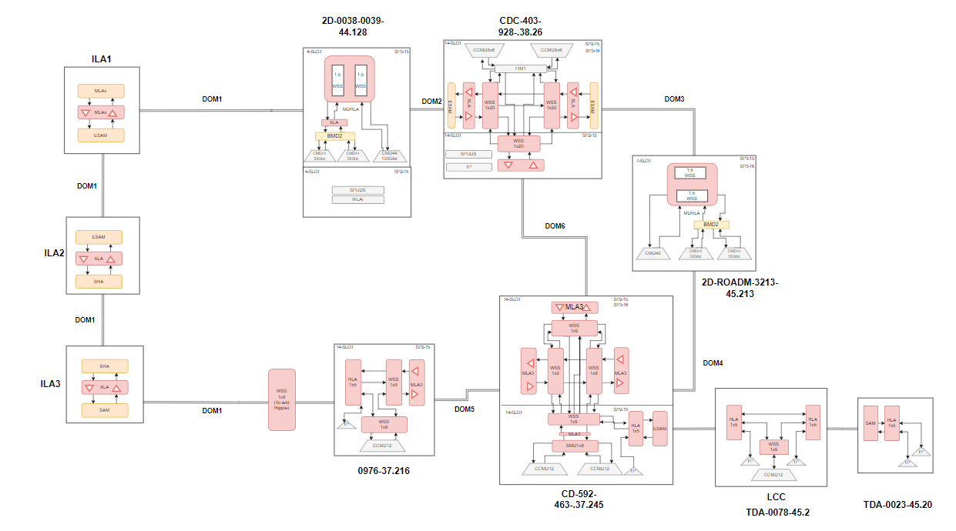

PiNs Configuration:

